KP-618 (HT-C12)
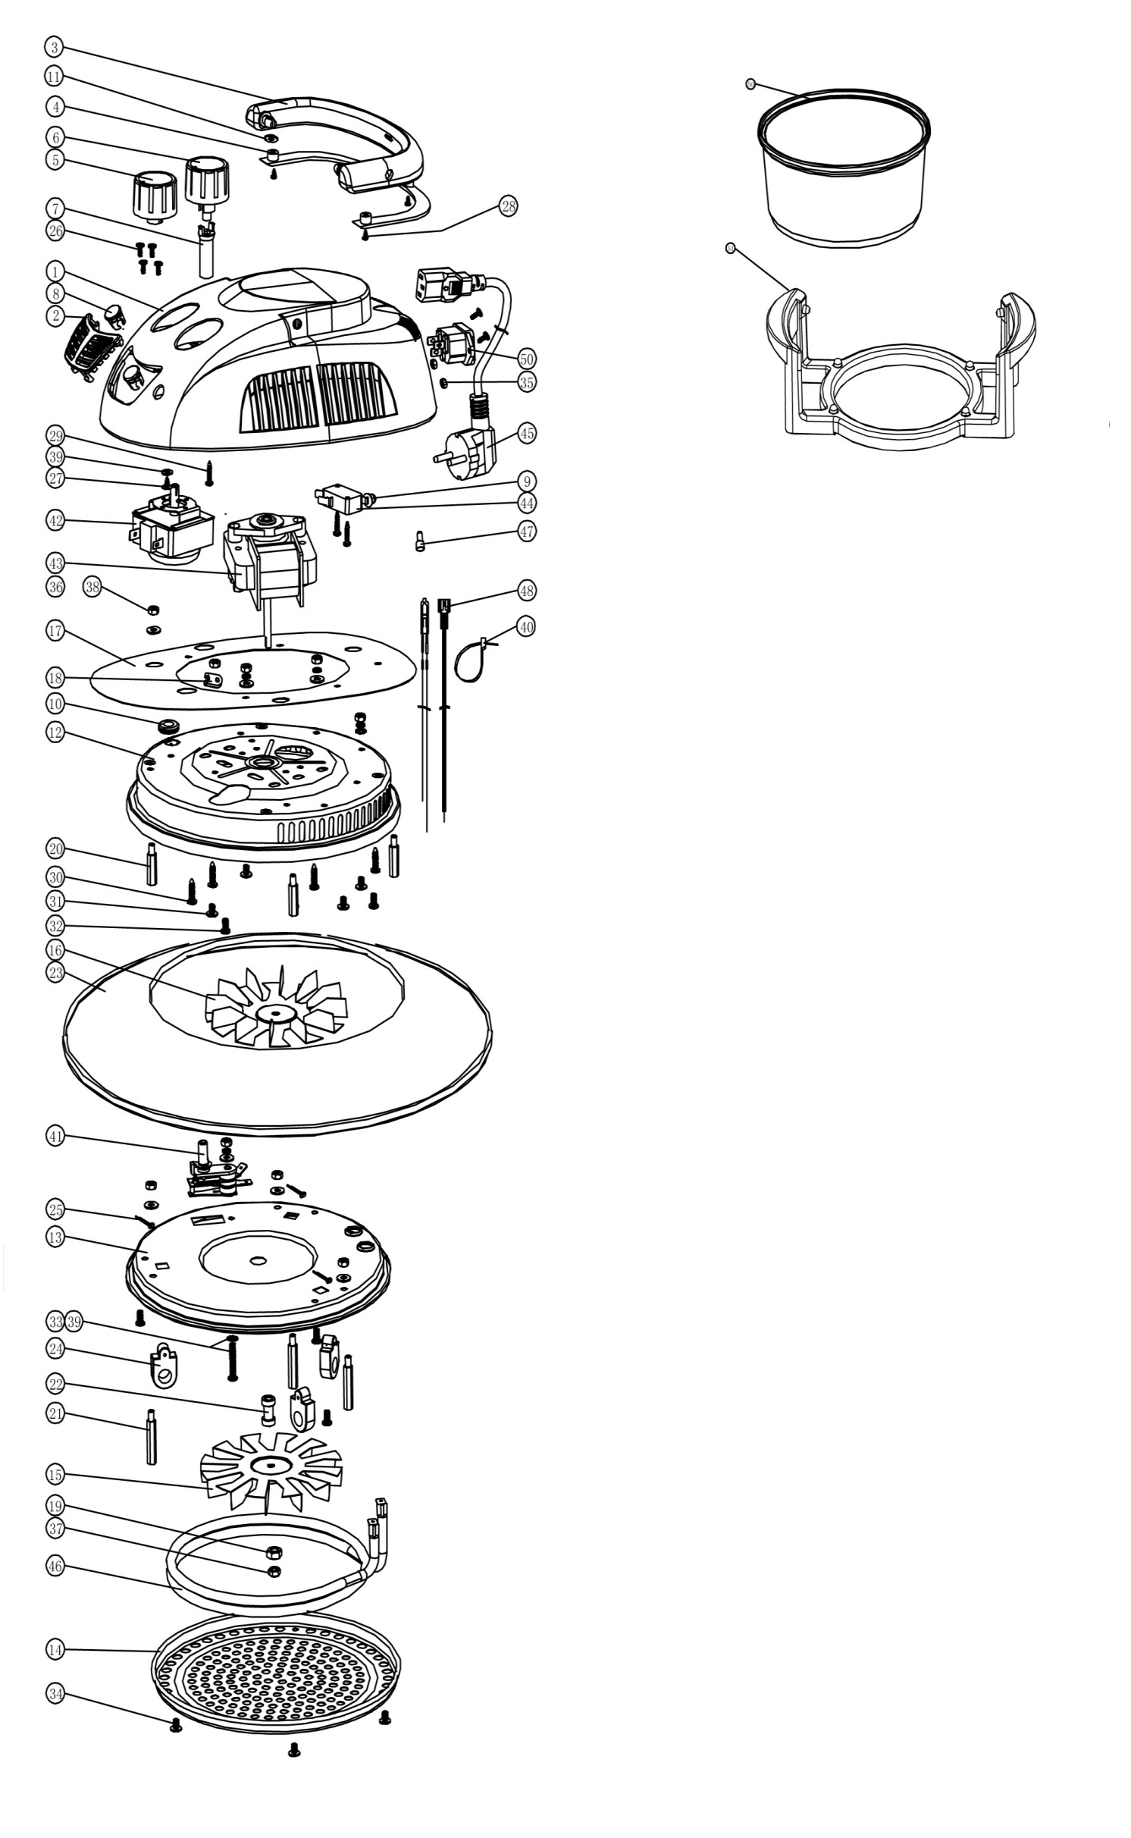
KP-618 (HT-C12) spare parts order 2019
No. | Name | Ime | Specification | Material | QTY
1 | Shell | Ohišje motorja | 200g | Tempered PP
2 | Omament patch |  | 10g | Tempered PP
3 | Handle | Ročaj | 21g | Tempered PP
4 | Handle Patch | Pokrov ročaja | 7g | Tempered PP
5 | Timer Knob | Gumb časovnik | 11.8 g | Tempered PP
6 | Thermostat Knob | Gumb termostat | 11.5 g | Tempered PP
7 | Knob Bindiny |  | 4 g | PA6
8 | Lamp-chimney | Pokrov lučke | 1 g | PC
9 | Cover of Swicth |  | 0.5g | ABS
10 | Loop for out-put |  | φ7xφ15x2.5 | Silicon Rubber
11 | Gasket |  | φ5xφ14x1.2 | Silicon Rubber
12 | Motor Cover |  | t=0.4mm | Tempered Painring A3
13 | Heating Element Cover | Pokrov grelca | t=0.4mm | 1100
14 | Shield |  | t=0.4mm | Stainless Steel(430#)
15 | Hot Fan Series | Ventilator vroč zrak | t=0.4mm | Q335
16 | Cold Fan Series | Ventilator hladen zrak | t=0.4mm | Q335
17 | Heat Insulation Pin |  | t=0.4mm | Q335
18 | Fixer For Fuse |  | t=0.3mm | Stainless Steel(430#)
19 | Meson For Fixing |  | M6 | Zincification 20
20 | Short Hexagonal Pole |  | M4x21mm | Zincification A3
21 | Long Hexagonal Pole |  | M4x34mm | Chromeplate A3
22 | Cuprum Thimble |  | φ7xφ5x18mm | Cu
23 | Glass Lid |  | φ317xφ188x4mm | Toughened Glass
24 | Porcelain Ring |  |  | Porcelain
25 | Uncork Pin |  | 1.6 x 25 | Zincification 20
26 | Screw |  | M3X6 | Zincification 20
27 | Bolt |  | ST3X8 | Zincification 20
28 | Bolt |  | ST3X10 Round cross head | Zincification 20
29 | Bolt |  | ST3.0X16 Round cross head | Zincification 20
30 | Bolt |  | ST4.0X16 Round cross head | Zincification 20
31 | Screw |  | M4X6 Big flat cross head | Zincification 20
32 | Screw |  | M4X8 Big flat cross head | Zincification 20
33 | Screw |  | M4X24 Round cross head | Zincification 20
34 | Screw |  | M4X6 Round cross head | SS 304
35 | Nut |  | M3 | Zincification 20
36 | Nut |  | M4 | Zincification 20
37 | Nut |  | M5 sinistral | Zincification 20
38 | Meson |  | φ4.2 | 65Mn
39 | Paper Pin |  | φ11.5xφ3.1x1 | Paper
40 | Button For Wire |  | 3X100mm | PA
41 | Thermostat |  | 250V/10A 0-190℃ |  | 60
42 | Timer |  | 250V/16A C 60min
43 | Motor | Motor | 220V-240V 50Hz 20W
44 | Micro On/Off |  | 250V/16A
45 | Power Cord | Napajalni kabel | H05VV3G0.75mm21.2m | PVC | 15
46 | Heating Element | Grelec | 220V-240V/1.2KW-1.4KW |  | 60
47 | Connector |  | C4 | PA
48 | Internal Wire | Notranja napeljava | 18AWG/22AWG | Intertexture silica gel
49 | Appliance |  | 250V/10A | PA
50 | Class Container | Steklena posoda | φ335x166x6mm | Tempered Glass | 30
51 | Big Stend | Plastično podnožje | 400g | PP | 30

KP-628 (HT-D12)
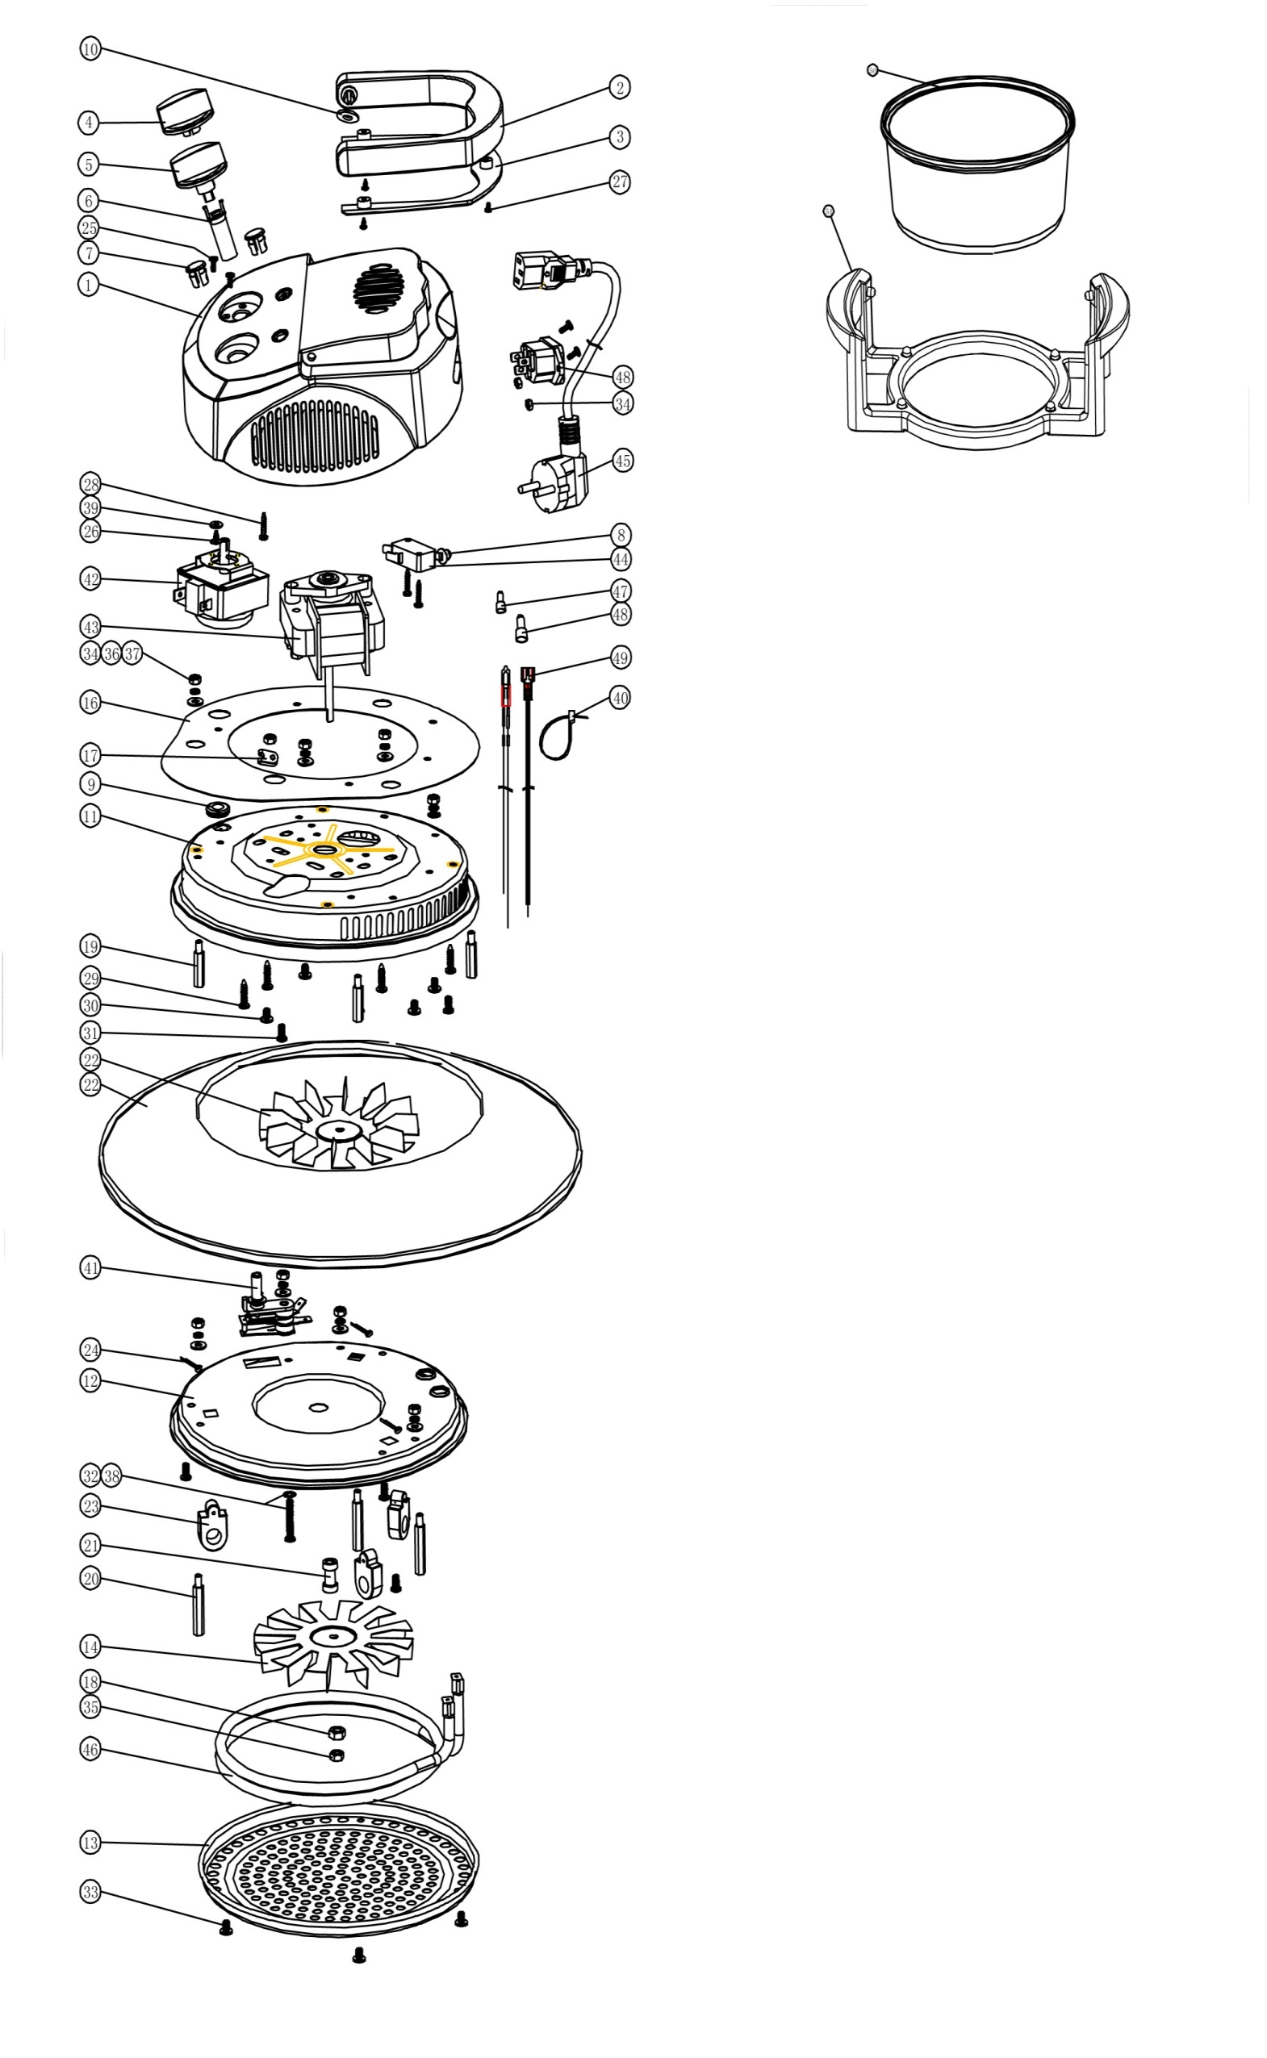
KP-628 (HT-D12) spare parts order 2019 | KP-628 (HT-D12) spare parts order 2019
 | No. | Name | Specification | Material | Qty.
 | 1 | Shell | 200g | Tempered PP
 | 2 | Handle | 21g | Tempered PP
 | 3 | Handle Patch | 7g | Tempered PP
 | 4 | Timer Knob | 11.8 g | ABS
 | 5 | Thermostat Knob | 11.5 g | ABS
 | 6 | Knob Bindiny | 4 g | PA6
 | 7 | Lamp-chimney | 1 g | PC
 | 8 | Cover of Swicth | 0.5g | ABS
 | 9 | Loop for out-put | φ7xφ15x2.5 | Silicon Rubber
 | 10 | Gasket | φ5xφ14x1.2 | Silicon Rubber
 | 11 | Motor Cover | t=0.4mm | Tempered Painring A3
 | 12 | Heating Element Cover | t=0.4mm | 1100
 | 13 | Shield | t=0.4mm | Stainless Steel(430#)
 | 14 | Hot Fan Series | t=0.4mm | Q335
 | 15 | Cold Fan Series | t=0.4mm | Q335
 | 16 | Heat Insulation Pin | t=0.4mm | Q335
 | 17 | Fixer For Fuse | t=0.3mm | Stainless Steel(430#)
 | 18 | Meson For Fixing | M6 | Zincification 20
 | 19 | Short Hexagonal Pole | M4x21mm | Zincification A3
 | 20 | Long Hexagonal Pole | M4x34mm | Chromeplate A3
 | 21 | CuprumThimble | φ7xφ5x18mm | Cu
 | 22 | Glass Lid | φ317xφ188x4mm | Toughened Glass
 | 23 | Porcelain Ring |  | Porcelain
 | 24 | Uncork Pin | 1.6 x 25 | Zincification 20
 | 25 | Screw | M3X6 | Zincification 20
 | 26 | Bolt | ST3X8 | Zincification 20
 | 27 | Bolt | ST3X10 Round cross head | Zincification 20
 | 28 | Bolt | ST3.0X16 Round cross head | Zincification 20
 | 29 | Bolt | ST4.0X16 Round cross head | Zincification 20
 | 30 | Screw | M4X6 Big flat cross head | Zincification 20
 | 31 | Screw | M4X8 Big flat cross head | Zincification 20
 | 32 | Screw | M4X24 Round cross head | Zincification 20
 | 33 | Screw | M4X6 Round cross head | SS 304
 | 34 | Nut | M4 | Zincification 20
 | 35 | Nut | M5 sinistral | Zincification 20
 | 36 | Spring Gasket | φ4.2 | 65Mn
 | 37 | Flat Meson | φ4.2 | Zincification 20
 | 38 | Meson | φ4.2 | 65Mn
 | 39 | Paper Pin | φ11.5xφ3.1x1 Red | Paper
 | 40 | Button For Wire | 3X100mm | PA
 | 41 | Thermostat | 250V/10A 0-190℃
 | 42 | Timer | 250V/16A C60min
 | 43 | Motor | 220V-240V 50Hz 20W
 | 44 | Micro On/Off | 250V/16A
 | 45 | Power Cord | H05VV3G0.75mm21.2m | PVC
 | 46 | Heating Element | 220V-240V/1.2KW-1.4KW 310
 | 47 | Connector | C4 | PA
 | 48 | Appliance | AC250V,10A, | PA
 | 49 | Internal Wire | 18AWG/22AWG | Intertexture silica gel
 | 50 | Class Container | φ335x166x6mm | Tempered Glass
 | 51 | Big Stend |  | PP

